Sheet1
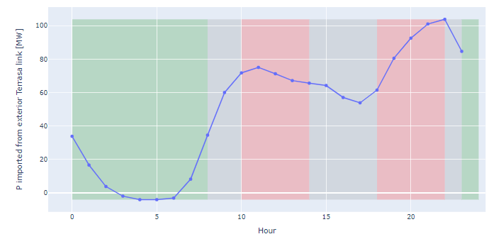
demand_pu | Wind_pu | Solar_pu | Gas_pu | Storage_pu | storage level | Storage
0.776 | 0.935 | 0.005 | 0.4515455305 | 0.66666666667 | 0.500 | -0.2
0.723 | 0.947 | 0.005 | 0.4354636591 | 0.66666666667 | 0.300 | -0.2
0.681 | 0.934 | 0.005 | 0.4333751044 | -0.33333333333 | 0.400 | 0.1
Generation curves
0.658 | 0.899 | 0.005 | 0.4241854637 | -0.66666666667 | 0.600 | 0.2
0.648 | 0.873 | 0.005 | 0.4237677527 | -0.66666666667 | 0.800 | 0.2
0.648 | 0.873 | 0.005 | 0.4237677527 | 0.33333333333 | 0.700 | -0.1
0.650 | 0.869 | 0.005 | 0.4747284879 | 0.66666666667 | 0.500 | -0.2
0.686 | 0.861 | 0.005 | 0.4697159566 | 1 | 0.200 | -0.3
0.773 | 0.885 | 0.005 | 0.6476608187 | 0.66666666667 | 0.000 | -0.2
0.855 | 0.902 | 0.005 | 0.8598579783 | 0 | 0.000 | 0
0.893 | 0.895 | 0.061 | 0.8550543024 | 0 | 0.000 | 0
0.923 | 0.887 | 0.440 | 0.8053467001 | 0 | 0.000 | 0
0.928 | 0.875 | 0.778 | 0.6723057644 | 0 | 0.000 | 0
0.921 | 0.857 | 0.913 | 0.6046365915 | 0 | 0.000 | 0
0.921 | 0.874 | 0.963 | 0.5476190476 | 0 | 0.000 | 0
0.921 | 0.897 | 1.000 | 0.4682539683 | 0 | 0.000 | 0
0.897 | 0.894 | 0.967 | 0.4204260652 | 0 | 0.000 | 0
0.882 | 0.904 | 0.849 | 0.4962406015 | 0 | 0.000 | 0
0.882 | 0.902 | 0.419 | 0.7065580618 | 0 | 0.000 | 0
0.922 | 0.914 | 0.039 | 1 | 0 | 0.000 | 0
0.960 | 0.939 | 0.007 | 0.9434001671 | 0 | 0.000 | 0
0.989 | 0.967 | 0.006 | 0.9314954052 | 0 | 0.000 | 0
1.000 | 0.986 | 0.006 | 0.9058061821 | 0 | 0.000 | 0
0.943 | 1.000 | 0.006 | 0.7383040936 | 0 | 0.000 | 0

